diabetes
 | Pima Dataset Variable | Description | Column names | Notes | Dataset name
Done | Pregnancies | Number of times pregnant | RIDEXPRG, RHD143, RHQ160 | Need to look for variables like RIDEXPRG (pregnancy status not coded) or RHD143 (are you pregnant now?) • RHQ160: Number of pregnancies – Total number of pregnancies the respondent has had. | reproductivehealthPregnancies.csv for RHD143. GenderAge.csv for RIDEXPRG +1 for pregnancy if values is yes, then disard all other values | For RHQ160- Need to remove 77 99 and - (Not coded), RHD143 (are you pregnant now?) need to remove 7,9, 2 - and add 1 to RHQ160
 | Glucose Change to sugar in 2 hrs | Plasma glucose concentration after 2-hour OGTT (mg/dL) | LBXGLU | Not coded -NHANES LBXGLU is fasting glucose. If OGTT glucose is available (e.g., LBXGLT), it would be a closer match. - | InsulinGlucose.csv
Done | BloodPressure | Diastolic blood pressure (mm Hg) | BPXDI1, BPXDI2, BPXDI3, BPXDI4 | not coded-NHANES provides multiple diastolic BP readings. - check which one has highest female responder | combined_blood_pressure_data.csv
 | Waist measurement in cm | Waist circumference in exchange to skin thickness | BMXWAIST / BMXHIP | NOT CODED | combined_bmi_data.csv
 | BMI | Body mass index (kg/m²) | BMXBMI | Not coded- Direct match. | combined_bmi_data.csv
Done | DiabetesPedigreeFunction change to Family History | Diabetes pedigree function (genetic risk) | DIQ175A | Coded - code 10 for family history positive | Outcome
Done | Age | Age in month | RIDAGEEX | Not coded-Convert months into year, round off to integer | GenderAge.csv
Done | Outcome | Diabetes status (0: no diabetes, 1: diabetes) | DIQ010 | CODED -"Doctor told you have diabetes" | Outcome | 1 for yes 2 for no, 3 for borderline, need to put 0 for don't know and - missing need to check what to do with borderline

 | Pima Dataset Variable | NHANES Variable (Likely Source) | Description
 | Pregnancies | RHQ020 (Questionnaire) | Number of pregnancies
 | Glucose | DID040G, DID060G (Lab Data) | Fasting glucose or glucose test values
 | Blood Pressure | BPXDI (Examination Data) | Diastolic blood pressure
 | SkinThickness | BMXTHICR or BMXSKINC (Examination) | Triceps skinfold thickness
 | Insulin | LBDINSI (Lab Data) | Fasting insulin levels
 | BMI | BMXBMI (Examination Data) | Body mass index
 | DiabetesPedigreeFunction | DIQ175A-X (Questionnaire) | Family history of diabetes
 | Age | RIDAGEYR (Demographics) | Age in years
 | Outcome | DIQ010 (Questionnaire) | Diagnosed diabetes status

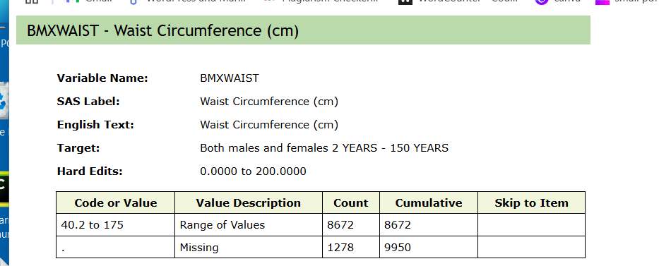
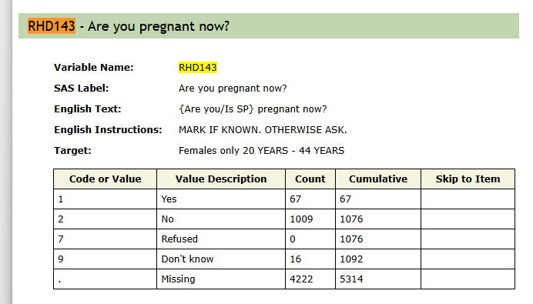

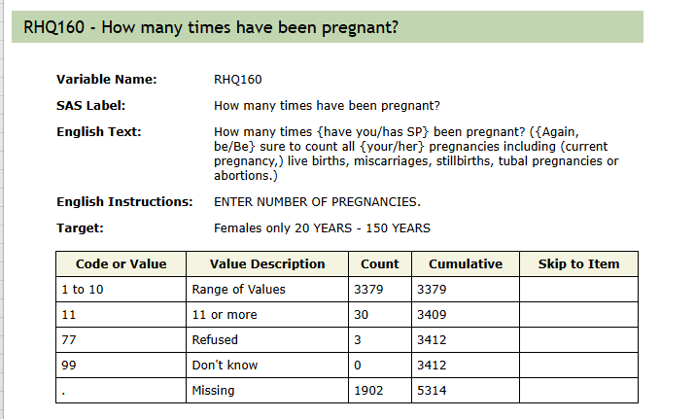

 |  |  | Procedures
 | SEQN | Get from demographic2.csv
 | Age | Get from demographics2.csv, column name RIDAGEYR
 | Number of Pregnancies | Get data from demographics2.csv column name RIDEXPRG | If RIDEXPRG is 1, add 1 to RHQ160. If RHD143 is 1, also add 1 to RHQ160. Remove all values that aren’t 1 in RIDEXPRG and RHD143 before adding. Drop the RIDEXPRG and RHD143 columns after updating RHQ160.
 | Family History | DIQ175A Get from Diabetes
 | Waist to Hip Ratio | Get from Examinatio data | get BMXWAIST, BMXHIP then perform Waist to Hip Ratio BMXWAIST/BMXHIP then output column as WaistToHIpRatio
 | BMI | BMXBMI
 | BloodPressure | "C:\Users\Hazel\Downloads\DiabetesDatasets\BMI_combined.csv" | 1. Check for Columns: o The code checks if all four blood pressure columns (BPXDI1, BPXDI2, BPXDI3, BPXDI4) are present in the DataFrame before attempting to calculate the average. 2. Calculate Average Blood Pressure: o The mean(axis=1) function calculates the row-wise average of the four columns and stores it in a new column called BloodPressure. 3. Drop Original Columns: o The original columns BPXDI1, BPXDI2, BPXDI3, and BPXDI4 are dropped to retain only the BloodPressure column.
 | Fasting Glucose |  | Retained LBXGLU only if PHAFSTHR >= 8, otherwise set to 0, rename column as FastingBloodSugar
 | Outcome | DIQ010

